Test cases
TEST CASE ID | DESCRIPTION | TEST CASE | TEST STEPS | EXPECTED RESULT | ACTUAL RESULT | STATUS (PASS/FAIL) | COMMENTS
FUNCTIONAL TESTING
F01 | Open Popup without setting an API key | User tries to use addon without adding API key through API settings in options.html | 1. Highlight text on website 2. Use right click to open right click menu 3. Click the "Spur+AbuseIPDB" extension. | Popup opens and displays the spur website but tells on popup "API key not set. Please go to Options to save your API key." Furthermore, no abuseipdb information is shown without the api key. | EXPECTED RESULT. | PASS
F02 | User highlights text and opens the lookup. | User highlights none or invalid IP addresses. | 1. Test clicking right click without highlighting text. Extension shortcut should not be visible in right click menu. 2. Test highlighting invalid IP (any text) and using the lookup. It should not do nothing. | Right click menu is only shown when user has highlighted any text. The IP lookup only opens with real IP addresses highlighted and does nothing if there is some wrong data inside. | EXPECTED RESULT. | PASS | The abuseipdb score could be colored with different color so user sees it faster whether the IP is highly abusal. (not just numbers from 0 to 100)
F03 | Save API key and PIN in the options | User uses developer options.html website to open the options page. | 1. Go to about:debugging 2. click the string ending with manifest.json. 3. Then replace the url manifest.json with options.html 4. Enter a real AbuseIPDB API key and PIN. | The options.html says "API key saved" after the key and pin have been set. | EXPECTED RESULT. | PASS | The code would need enhancing to show the setting page without dev mode. (Not working currently)
F04 | API key already saved | User has already set API key and visits options.html page again and also uses the lookup function. | 1. Visit options.html page and see the text "API key set". 2. Use the extension successfully. | Options.html shows "API key is stored securely. Enter a new key and PIN to update." >> API key already stored | EXPECTED RESULT. | PASS
F05 | Successful IP lookup with Ipv4/Ipv6 | User has set already an API key and will use the extension successfully seeing information about spur on the website and AbuseIPDB on the popup. | 1. Highlight a valid IPv4/IPv6 Address 2. See if you get results on both spur and on the popup. 3. On the second and following use times verify that the PIN is no longer needed since it is the same session. | Information will appear on spur and also on the abuseipdb popup. The PIN should be only asked once per session. IP lookup works for multiple tries. | EXPECTED RESULT. | PASS | Testing with these ChatGPT 4o created real IPv6 Addresses (different formats each): 2806:107e:7:374f:b078:329d:caff:e570, 2001:41d0:8:9638::, 240e:935:a00:1706:1000::7, 2620:1ec:21::16
F06 | Change stored API key and PIN | After one API key works, user changes the API key in the options.html and tests 2 times the lookup that it works also with the new one. | 1. Have an already set API key 2. Update the AbuseIPDB API key in AbuseIPDB official website 3. Test that the old API key does not work in IP lookup anymore. 4. Change the API key to new one in options.html 5. Test twice the IP lookup so it works also with new PIN and API key. | The IP lookup should work with both API Keys but it should not work when the API key is changed in AbuseIPDB official webpage. options.html says "Error: API key invalid" when using old API key. | EXPECTED RESULT. | PASS | Showed this EXPECTED error: Error: Authentication failed. Your API key is either missing, incorrect, or revoked. Note: The APIv2 key differs from the APIv1 key.
SECURITY TESTING:
S01 | Not valid API entered | User tries to add invalid API key in options.html. For example malicious code. | 1. in options.html add malicious code "<script>alert('HACKED!')</script>" to API key label. 2. try to submit the api key. | The options.html says "Invalid API key format" and does not run any code since it is handled as plaintext. | EXPECTED RESULT. | PASS
S02 | Invalid pin on options.html | User tries to add invalid PIN in options.html. For example malicious code. | 1. in options.html add malicious code "<script>alert('HACKED!')</script>" to PIN input label. 2. try to submit the api key. | The options.html says "Invalid API key format" and does not run any code since it is handled as plaintext. | EXPECTED RESULT. | PASS | You can actually have the text "<script>alert('HACKED!')</script>" as your PIN but it wont be run since it is only handled as plaintext.
S03 | Invalid pin on popup.html | User tries to put wrong PIN in the popup window when it has already been set. | 1. Use lookup and enter wrong PIN. | It should say "Incorrect PIN. Please try again." | EXPECTED RESULT. | PASS
S04 | Malicious IP text selection | User tries to highlight malicious code and run it by using the extension. | 1. search from web "<script>alert('HACKED!')</script>" and try to run that by highlighting the text and running the extension. | Nothing should not happen until user has selected the valid IP. | EXPECTED RESULT. | PASS
S05 | Network error triggered | User tries to use lookup without internet connection. | 1. Go to website and highligt valid IP address 2. Disconnect from network. 3. try to use the extension. | Network error in API lookup is shown with right "Error: Failed to fetch" | EXPECTED RESULT. | PASS
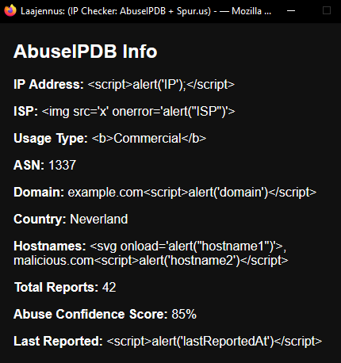
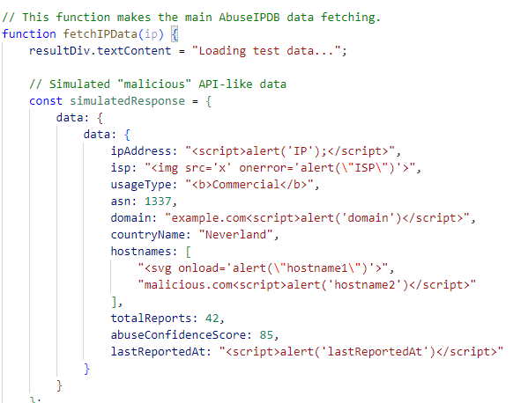
S06 | HTML injection in AbuseIPDB | This would need some modifying of the code to test html code whether it will be shown as plaintext or ran as a code | 1. Test with test code whether the code runs the code "AbuseIPDB" could have sent. | The information is not ran as code but only shown as text in the AbuseIPDB popup Window. | EXPECTED RESULT. | PASS | Tested with fully ChatGPT 4o made code. See pictures on right side of this table ->
S07 | Trying to inject malicious code in dev tools. | If somebody has access to users computer they could fetch the API key from memory using the dev tools. | 1. press F12 and locate the dev tools. When the API key has set and the lookup ip has been used twice. 2. try to run this script: browser.storage.local.get(["encryptedKey"]).then(result => { console.log("Got key:", result.encryptedKey); }); | Any script is not ran in the dev tools. | EXPECTED RESULT. | PASS

